Classification model
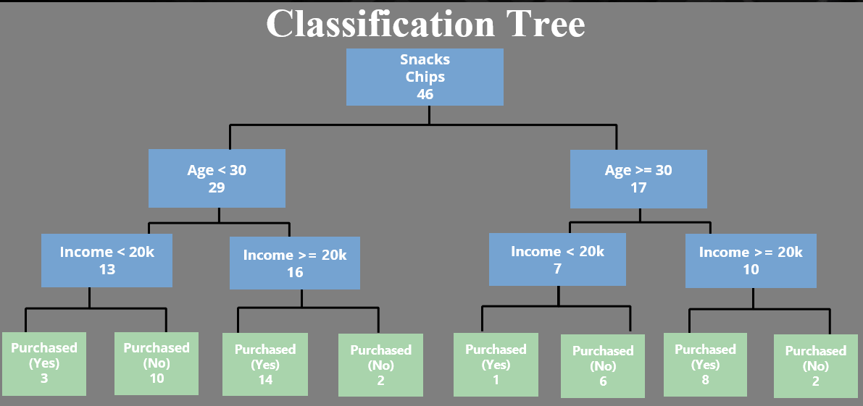
Change Product Key for viewing different Product's decision tree
Product Key | P103
Product | Chips
Total Sales | 46

 |  |  |  |  |  |  |  |  |  |  |  |  |  |  |  | Snacks
 |  |  |  |  |  |  |  |  |  |  |  |  |  |  |  | Chips
 |  |  |  |  |  |  |  |  |  |  |  |  |  |  |  | 46

 |  |  |  |  |  |  |  | Age < 30 |  |  |  |  |  |  |  |  |  |  |  |  |  |  |  | Age > = 30
 |  |  |  |  |  |  |  | 29 |  |  |  |  |  |  |  |  |  |  |  |  |  |  |  | 17

 |  |  |  | Income < 20k |  |  |  |  |  |  |  | Income > = 20k |  |  |  |  |  |  |  | Income < 20k |  |  |  |  |  |  |  | Income > = 20k
 |  |  |  | 13 |  |  |  |  |  |  |  | 16 |  |  |  |  |  |  |  | 7 |  |  |  |  |  |  |  | 10

 |  | Offer |  |  |  | No Offer |  |  |  | Offer |  |  |  | No Offer |  |  |  | Offer |  |  |  | No Offer |  |  |  | Offer |  |  |  | No Offer
 |  | 9 |  |  |  | 4 |  |  |  | 5 |  |  |  | 11 |  |  |  | 4 |  |  |  | 3 |  |  |  | 4 |  |  |  | 6

 | Purchased (Yes) |  | Purchased (No) |  | Purchased (Yes) |  | Purchased (No) |  | Purchased (Yes) |  | Purchased (No) |  | Purchased (Yes) |  | Purchased (No) |  | Purchased (Yes) |  | Purchased (No) |  | Purchased (Yes) |  | Purchased (No) |  | Purchased (Yes) |  | Purchased (No) |  | Purchased (Yes) |  | Purchased (No)
 | 8 |  | 1 |  | 3 |  | 1 |  | 4 |  | 1 |  | 10 |  | 1 |  | 3 |  | 1 |  | 1 |  | 2 |  | 3 |  | 1 |  | 5 |  | 1

